Folha1
 |  |  |  | KIDS BOOT

 |  |  |  | Grey/Green

24 | 25 | 26 | 27 | 28 | 29 | 30 | 31 | 32 | 33 | 34 | 35 | 36 | 37 | 38 | TOTAL
7 | 7 | 7 | 7 | 7 | 7 | 7 | 7 | 7 | 7 | 7 | 7 | 7 | 7 | 7 | 105

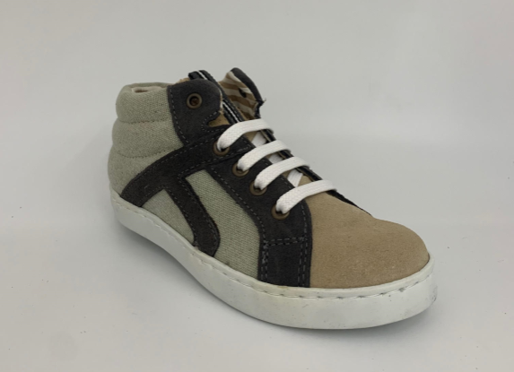

 |  |  |  | ORANGE

24 | 25 | 26 | 27 | 28 | 29 | 30 | 31 | 32 | 33 | 34 | 35 | 36 | 37 | 38 | TOTAL
29 | 29 | 29 | 29 | 29 | 29 | 29 | 29 | 29 | 29 | 29 | 29 | 29 | 29 | 29 | 435

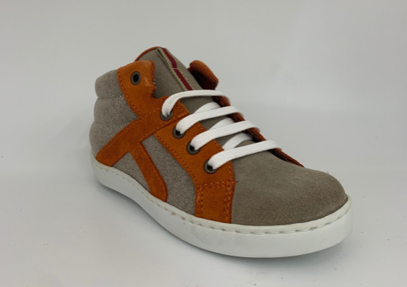

 |  |  |  | BLUE /SAND

24 | 25 | 26 | 27 | 28 | 29 | 30 | 31 | 32 | 33 | 34 | 35 | 36 | 37 | 38 | TOTAL
11 | 11 | 11 | 11 | 11 | 11 | 11 | 11 | 11 | 11 | 11 | 11 | 11 | 11 | 11 | 165

